Graphs & savings
Import usage and emissions graphs from Carbon Calculator spreadsheet
Please paste images
These are your Current footprint Graphs. 1. Break down of your total estimated carbon footprint. 2. The Pie chart shows you the percentage make up of your footprint. 3. The final pie chart shows you the percentage make up of your emissions by scope.

 | Total tCO2e 2023 163.71
Electricity | 115.29
Diesel Van | 35.67
Burning oil litres | 7.68
Electric Car | 2.93
Diesel Car | 2.14
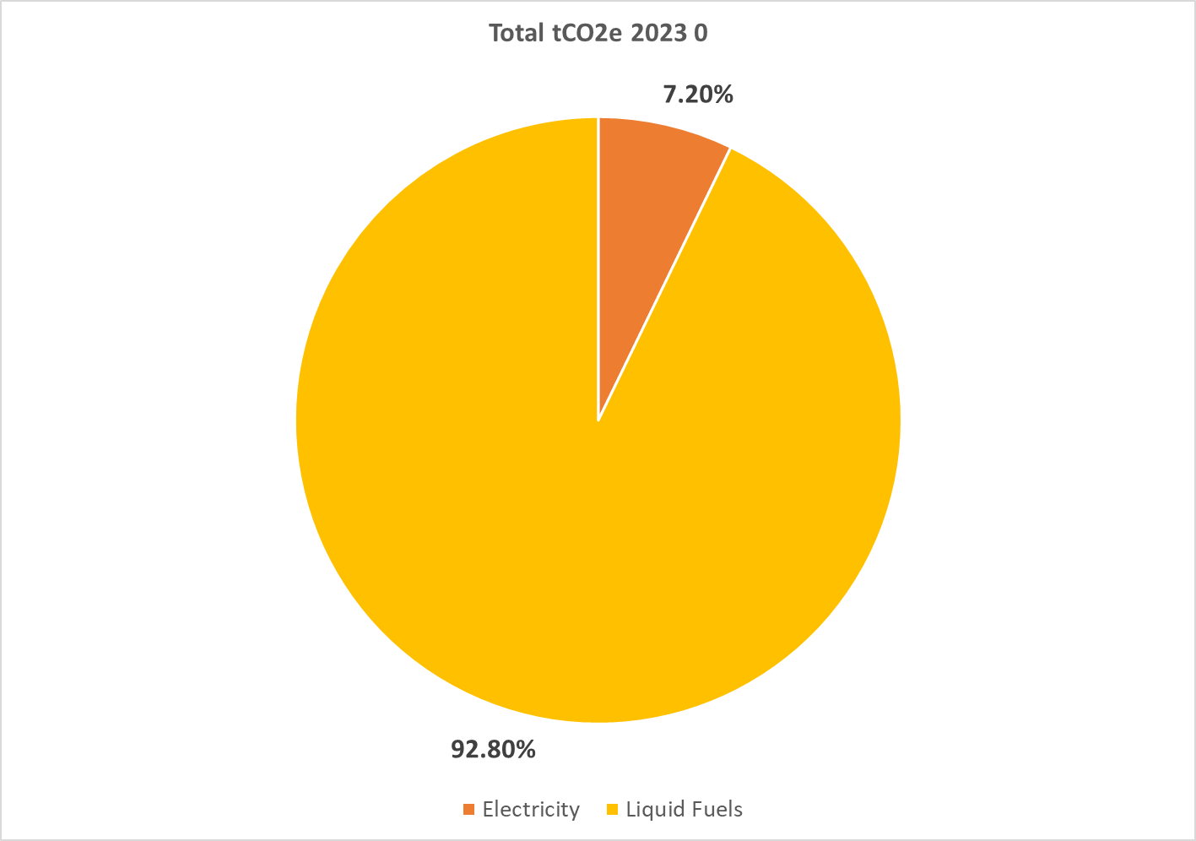
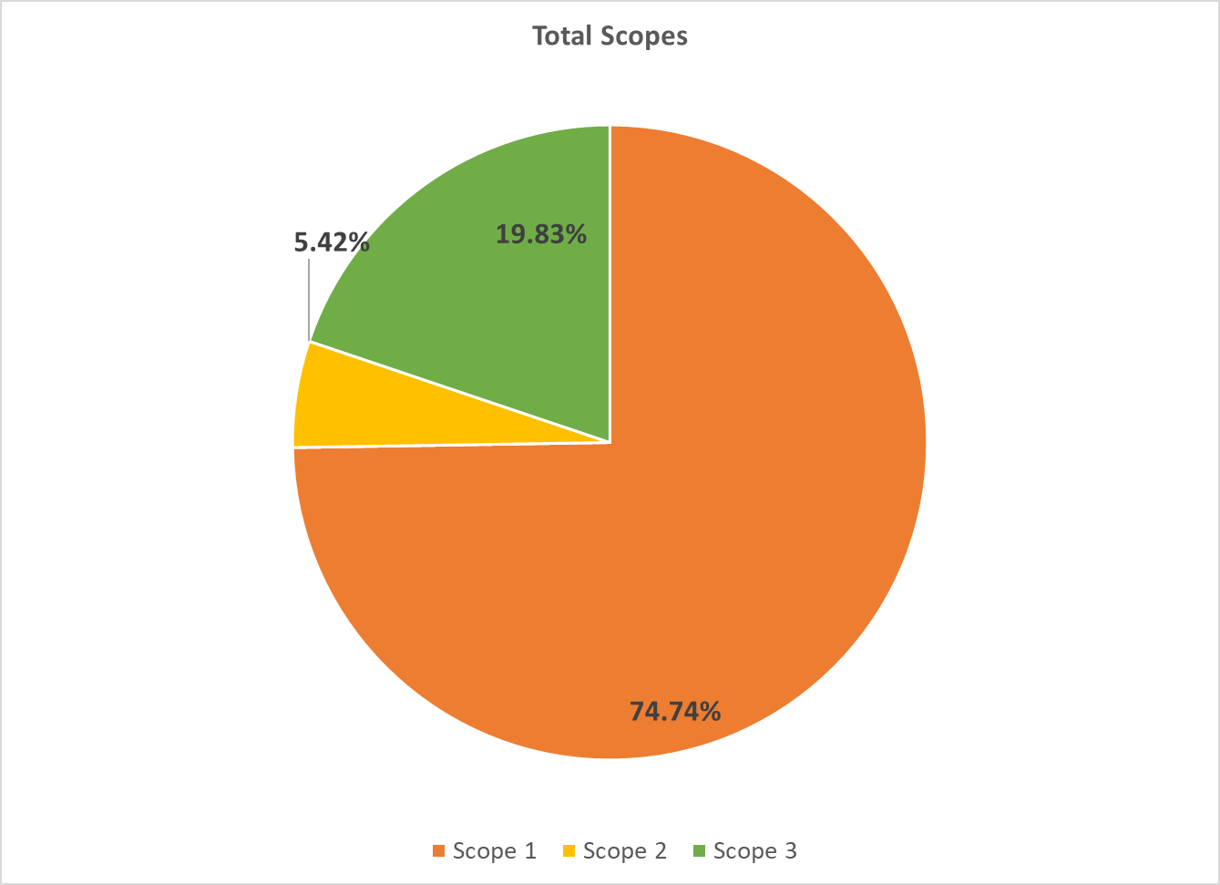

For caveats and assumptions for these savings calculations, please refer to the Roadmap Document.
Estimated current usage to heat offices (oil kWh) | Estimated new usage (electricity kWh) | Estimated savings from new heating (kWh/year) | Estimated current cost | Estimated new cost | Estimated cost saving | CO2e (t) saving
18581 | 8250 | 10331.22 | £1,176.70 | £1,259.79 | -£83.09 | 2.84

Solar PV - existing roof - 20 extra solar panels - with existing battery
Possible total system size | Estimated annual generation | Estimated cost | Estimated savings from whole solar system (kWh/year) | Additional savings from extra panels | Cost savings from additional panels | Estimated payback (years) | CO2e (t) saving
70.98 | 69137 | £8,558.00 | 67340 | 6731 | £1,027.78 | 8.33 | 1.85

Solar PV - Adding new building - panels on east and west roofs - TO EXISTING SYSTEM + 20 ADDITIONAL PANELS
Possible additional system size (based on usage) | Estimated TOTAL annual generation | Estimated cost (March 2024) | Estimated savings from whole solar system (kWh/year) | Additional savings from extra panels | Cost savings from additional panels | Estimated payback (years) | CO2e (t) saving
47.78 | 102887 | £62,114.00 | 92809 | 32199 | £6,484.96 | 9.58 | 8.85

Existing Solar PV - 10kW battery
Current system size | Estimated annual generation | Estimated cost (March 2024) | Estimated savings from solar (kWh/year) | Estimated cost saving | Estimated payback (years) | CO2e (t) saving
63.20 | 61559 | N/A | 60610 | £9,255.09 | N/A | 16.66

